Creditors' Committee Summary
Summary of Creditors' Committee Study, Lynn M. LoPucki, July 24, 2021

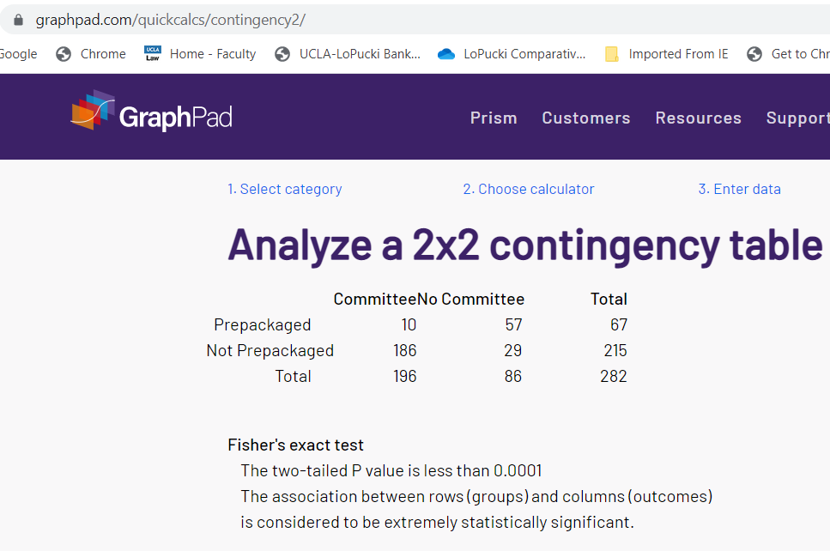
Appointment of Creditors' Committees by prepack status in Cases with Plans Confirmed After December 31, 2010
 | Committee | % | No Committee | % | Total
Prepack | 10 | 15% | 57 | 85% | 67 | 100%
Not prepack | 186 | 87% | 29 | 13% | 215 | 100%
 | 196 |  | 86 |  | 282
Fisher's exact, two tailed, significant at the .0001

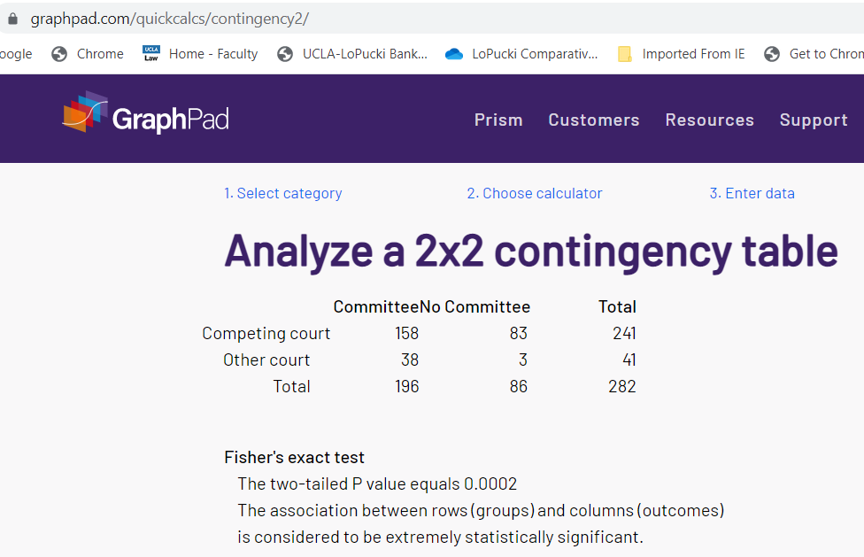
Appointment of Creditors' Committees by court competition in Cases with Plans Confirmed After December 31, 2010
 | Committee | % | No Committee | % | Total
Competing court | 158 | 66% | 83 | 34% | 241 | 100%
Other court | 38 | 93% | 3 | 7% | 41 | 100%
 | 196 |  | 86 |  | 282
Fisher's exact, two tailed, significant at the .0002

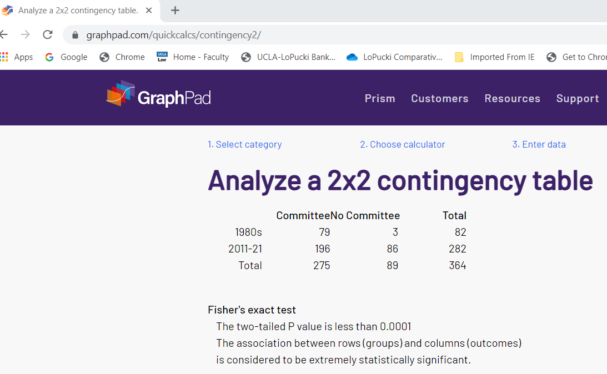
Appointment of Creditors' Committees over Time
 | Committee | % | No Committee | % | Total
1980s | 79 | 96% | 3 | 4% | 82 | 100%
2011-21 | 196 | 70% | 86 | 30% | 282 | 100%
 | 275 |  | 89 |  | 364
Fisher's exact, two tailed, significant at the .0001

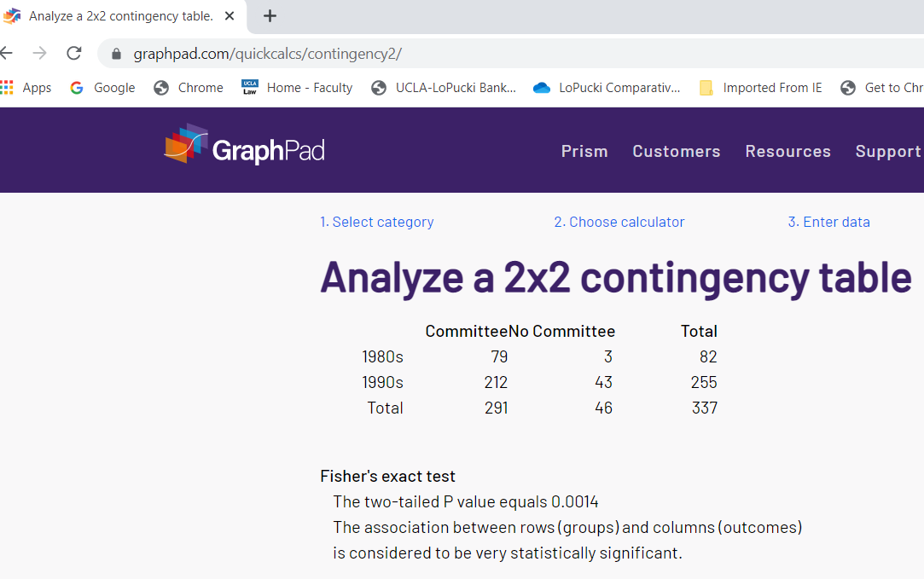
Appointment of Creditors' Committees over Time
 | Committee | % | No Committee | % | Total
1980s | 79 | 98% | 2 | 2% | 81 | 100%
1990s | 212 | 83% | 43 | 17% | 255 | 100%
 | 291 |  | 45 |  | 336
Fisher's exact, two tailed, significant at the .0014 level


Appointment of Creditors' Committees over Time
 | Committee | % | No Committee | % | Total
2011-21 | 196 | 70% | 86 | 30% | 282 | 100%
1990s | 212 | 83% | 43 | 17% | 255 | 100%
 | 408 |  | 129 |  | 537
Fisher's exact, two tailed, significant at the .0003 level

